Legal Assistance & ADR
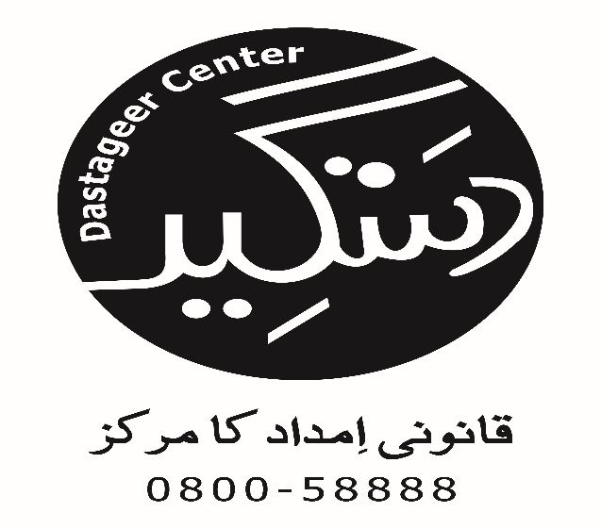
Access to Justice Project
Cases in which Legal Assistance & ADR Provided
Taraqee Foundation
S.No | Name Of Party | Contact Number | Gender (M, F or TG) | Age | CNIC # | Occupation | Marital Status | Address | Tehsil | Name of Guardian | Relation with Guardian | Contact Number | Priority Group (GBV, Minority & Disabled) | if Minority name Group | Psychosocial Support Provided (Yes/No) | Nature Of Problem | Action Taken (Legal Assistance by Sending Letter, FIR, Preparing Legal Documents, ADR (out of court settlement) etc.) | Name of Institution handling case (Court name, Police Station, Gov Institution etc. | Lawyer Name (if involved) | Cell No. | Date of Letter, FIR, Legal Documents, ADR etc. | Case Referred From (Name of LAC, Helpline, CSOs, Justice Institutions, Individuals, etc.) | Stage Proceeding (In progress or Completed) | Decision (if case concluded) | Case ConcludingMonth | Decision Result
1 | Shamim Ashraf | 0346-8396618 | Female | 38 | - | Housekeeper | Widow | Sirki Road Quetta | Quetta | - | - | - | GBV | N.A | No | Psychological Abuse | Letter | Zakat Department | DLAC Quetta | - | 2014-10-14 | Women Technical Training Center | In Progress | In Process | In Process | In Process
2 | Huma Imran | 081-21388810 | Female | 36 | 54400-03261466-6 | Housekeeper | Married | Sumangli Road Quetta | Quetta | - | - | - | GBV | N.A | No | Psychological Abuse | Preparing Legal Documents | Police Department | Farzana Khilji | 0335-1296151 | 2014-10-16 | Civil Hospital | Completed | Decision in favor | Jan-15 | Successful
3 | Khadija Gul Ahmed | 0314-8159238 | Female | 38 | 54400-4676517-8 | Housewife | Married | H#15-58 Muhala Haji Quetta | Quetta | - | - | - | GBV | N.A | No | Psychological Abuse | Letter | Zakat Department | DLAC Quetta | 0345-8350526 | 2014-10-22 | Women Technical Training Center | In Progress | In Process | In Process | In Process
4 | Sabira Malik | 0314-8159238 | Female | 25 | - | Housewife | Married | H#15-58 Muhala Haji Quetta | Quetta | - | - | - | GBV | N.A | No | Psychological Abuse | Letter | Zakat Department | DLAC Quetta | 0345-8350526 | 2014-10-27 | Women Technical Training Center | In Progress | In Process | In Process | In Process
5 | Sorya Jabeen | 0343-8105486 | Female | 50 | 54400-3543945-0 | Peon | Married | peer line Quetta Cant | Quetta | - | - | - | GBV | N.A | No | Psychological Abuse | Preparing Legal Documents | Court | Sameena Nasreen | 0335-1296150 | 2014-10-28 | Benazir Women Crisis Center | In Progress | In Process | In Process | In Process
6 | Farzana Shafiq | 0333-7835430 | Female | 39 | 54401-7857369-4 | Peon | Widow | Goki Chand Road | Quetta | - | - | - | GBV | N.A | No | Psychological Abuse | Letter | Police Department | Sameena Nasreen | 0335-1296150 | 2014-11-03 | Benazir Women Crisis Center | In Progress | In Process | In Process | In Process
7 | Sajida Bibi | 0302-2781370 | Female | 35 | - | Housewife | Married | Saryab Road | Quetta | - | - | - | GBV | N.A | No | Psychological Abuse | Preparing Legal Documents | Court | Farzana Khilji | 0335-1296150 | 2014-10-05 | Taraqee Foundation | In Progress | In Process | In Process | In Process
8 | Amina Bibi | 0336-8281059 | Female | 56 | 54400-6887264-8 | Peon | Married | Rasani Road | Quetta | - | - | - | GBV | N.A | No | Psychological Abuse | Letter | Government Department | DLAC Quetta | 0335-1296152 | 2014-10-07 | Other Lawyer | In Progress | In Process | In Process | In Process
9 | BiBi Hameda | 0314-8159238 | Female | 35 | 54400-3102122-4 | Housewife | Married | Shal dara Pushtoon Abad | Quetta | - | - | - | GBV | N.A | No | Psychological Abuse | Letter | Zakat Department | DLAC Quetta | 0335-1296153 | 2014-11-13 | Women Technical Training Center | In Progress | In Process | In Process | In Process
10 | Saiqa Yaqoob | 0315-8366222 | Female | 30 | 54400-8361920-2 | LHV | Married | Fatima Jinnah Hospital Colony | Quetta | - | - | - | GBV | N.A | No | Physical Abuse | Letter | Police Department | Farzana Khilji | 0345-8350526 | 2014-11-14 | ACTS Organization | In Progress | In Process | In Process | In Process
11 | Naz Dana | 0311-8030706 | Female | 15 | 54400-9451532-8 | Unemployed | Engaged | Lehri Chowck near hazara town | Quetta | Sadiqa | Daughter | - | GBV | N.A | No | Psychological Abuse | Preparing Legal Documents | Court | Farzana Khilji | 0335-1296150 | 2014-11-18 | Family Planning Association of Pakistan | Completed | Decision in favor | Nov-14 | Successful
12 | Nazia Ilyas | 0344-8023025 | Female | 32 | 54400-990000-2 | Constable | Married | Tofail Road Quetta | Quetta | - | - | - | GBV | N.A | No | Psychological Abuse | Preparing Legal Documents | Police Department | Farzana Khilji | 0345-8350526 | 2014-12-18 | ACTS Organization | Completed | Decision in favor | Feb-15 | Successful
13 | Amber | 0345-0724421 | Female | 26 | - | Unemployed | Divorced | Emman City Fazy Road | Quetta | - | - | - | GBV | N.A | No | Psychological Abuse | Letter | Police Department | Farzana Khilji | 0345-8350526 | 2014-12-24 | Taraqee Foundation | In Progress | In Process | In Process | In Process
14 | Farkanda Shaheen | 0331-8391765 | Female | 27 | 54400-4657465-6 | LHV | Divorced | Muhalla Taro Chowk Abdul Qudoos Road | Quetta | - | - | - | GBV | N.A | No | Psychological Abuse | Preparing Legal Documents | Police Department | Sameena Nasreen | 0345-8350526 | 2014-12-26 | Civil Hospital | In Progress | In Process | In Process | In Process
15 | Rafeet Rasheed | 0313-8258313 | Female | 26 | - | Housewife | Married | Mastung | Mastung | - | - | - | GBV | N.A | No | Psychological Abuse | Preparing Legal Documents | Court | Farzana Khilji | 0345-8350526 | 2014-10-24 | DANISH | In Progress | In Process | In Process | In Process
16 | Hafsa Abdul Waheed | 0331-8333807 | Female | 22 | - | Unemployed | Divorced | survay Colony Brewery Road | Quetta | Ruksana Abdul Wahid | Daughter | 0331-8333807 | GBV | N.A | No | Physical Abuse | Preparing Legal Documents | Court | Farzana Khilji | 0345-8350526 | 2014-12-28 | Bar Council | Completed | Decision in favor | Feb-15 | Successful
17 | Alam Bibi | 0345-3212355 | Female | 20 | DL70618309111 | Housewife | Married | Katwi Refugee Capm | Quetta | Muhammad Umar | Daughter | - | GBV | N.A | No | Physical Abuse | Letter | Police Department | Farzana Khilji | 0345-8350526 | 2014-11-12 | DANISH | In Progress | In Process | In Process | In Process
18 | Goshe Jan | 0300-3824513 | Transgender | 38 | - | Unemployed | Single | Jan Muhmmad Road | Quetta | - | - | - | GBV | N.A | No | Discrimination or non-cooperation by law enforcement agencies | Letter | NADRA | Sameena Nasreen | 0345-8350526 | 2014-12-28 | Taraqee Foundation | In Progress | In Process | In Process | In Process
19 | Ashba Mashee | 0334-7298070 | Female | 40 | 54501-2032668-2 | Housewife | Married | Killi Amin Abad Brewery Road | Quetta | - | - | - | GBV | N.A | Yes | Physical Abuse | Out of Court Settlment | Out Of Court Settlment | Sameena Nasreen | 0345-8350526 | 2015-02-18 | Bar Council | Completed | Decision in favor | Feb-15 | Successful

